Module 31
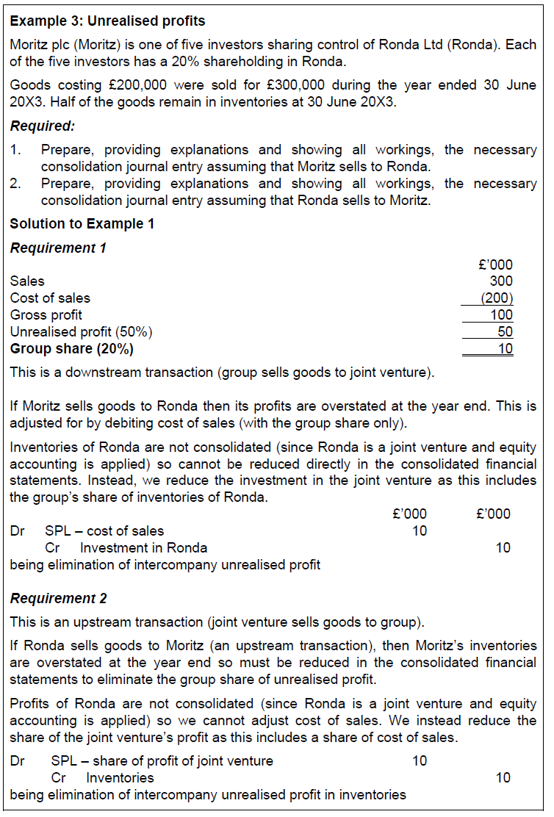
Main
 | Module 31 - Consolidated Financial Statements: Associates and Joint Ventures

 | 0
 | 20% | associate
 | 50% | parent - Sub

 | The existence of significant influence by an entity is usually evidenced in one or more
 | of the following ways:
 | • Representation on the board of directors or equivalent governing body of the
 | investee;
 | • Participation in policy-making processes, including participation in decisions
 | about dividends or other distributions;
 | • Material transactions between the entity and its investee;
 | • Interchange of managerial personnel; or
 | • Provision of essential technical information;

 | Example 2 | Share in Y
 | D | 50.00%
 | E | 25.00%
 | F | 25.00%

 | not a joint operation as D and E, or D and F can make decisions

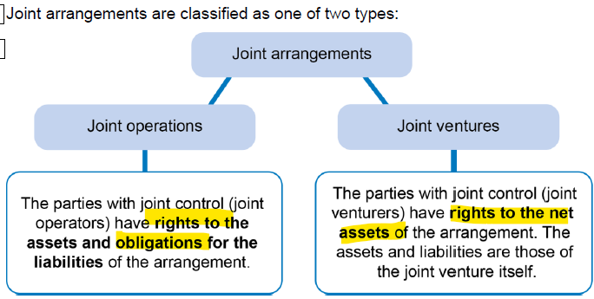

 | JV must be a separate legal entity
 | keeps its own accounting records and produces financial statements

 | Cumulative share of associates/JV/s post-acquisitoin profits and OCI are accumulated in consolidated reservese
 | Not a separate line the SOCI

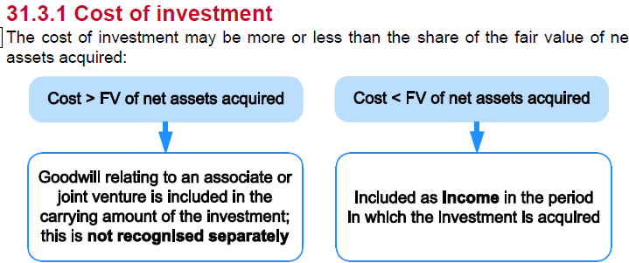

 | impair the investment of the joint venture if there is objective evidence of impairment

 | Step 1: Adjust from any gain from a bargain purchase
 | dr - investment in associate/JV
 |  | cr - SPL - Share of profit of associate/JV
 | being bargain purchase in the CY

 | or

 | Dr - investment in associate/JV
 |  | cr - RE
 |  | being bargain purchase in PY

 | Step 2: Allocate historical profits and other gains/losses to the group

 | Step 3: Allocate share of associates/JV Cy profit/loss and other gains/losses to the grou

 | Step 4: Eliminates group share of IC transacrions and balances
 |  | 1. Dividend are eliminated because they are replaced with the group share of profits. The relevant journal entries are provided in Activities 1 and 2.
 |  | 2. Trading

 | Activity 1
 | between 20% and 40% therefore is an associate

 | Investment in Fair | 75 | 0
 | Other net assets | 446 | 160
 |  | 521 | 160

 | SC | 100 | 50
 | RE | 421 | 110
 |  | 521 | 160

 | operating profit | 108 | 58
 | Finance cost | -15 | -8
 | Finance incom | 12 | 0
 | PBT | 105 | 50
 | Tax | -25 | -10
 | PAT | 80 | 40

 | Investment in fair |  |  | 75
 | SC |  | 50
 | RE |  | 100
 | Group share of net assets | 40% | 150 | 60
 | gw |  |  | 15

 | Not a bargain purchase, therefore no journal

 | n/a - associate acquired within the year

 | Final step
 | Grop share of current year profit |  |  | 6.4 | cr
 |  |  |  | 5.2 | dr
 |  |  |  | -1.2 | cr to RE

 | dr - SPL |  |  | 1.2
 |  | cr - RE |  |  | 1.2
 | being transfer to RE

 | Activity 2

 |  | Scar | Fair
 | inv - Fair | 75 | 0 | 75
 | other net assets | 466 | 326 | 792
 |  | 541 | 326 | 867

 | SC | 100 | 50 | 150
 | RE | 441 | 176 | 617
 | RVS | 0 | 100 | 100
 |  | 541 | 326 | 867

 | operating progfit | 57 | 31 | 88
 | finance cost | -20 | -9 | -29
 | finance icneom | 5 | 0 | 5
 | PBT | 42 | 22 | 64
 | Tax | -10 | -6 | -16
 | PAT | 32 | 16 | 48

 | Step 1: Adjust for any gain from bargain price

 | Investment in fair |  |  | 75
 | SC |  | 50
 | RE |  | 100
 | Group share of net assets | 40% | 150 | 60
 | gw |  |  | 15

 | Not a bargain purchase, therefore no journal

 | Step 2: Allocate historical profits and other gains/losses to the group

 | RE | 2019-09-30 |  | 176
 | PAT | 2019-09-30 |  | -16
 | Divdend paid | 2019-09-30 |  | 13
 | RE | 2018-09-30 |  | 173
 | RE | 2011-10-01 |  | 100
 | increase |  |  | 73
 | Group Share |  |  | 29.2

 | Group share of historical revaluation increase
 | 40% | 40 | 16

 | dr - |  |  | 45
 |  | cr - RVS |  |  | 16
 |  | cr - |  |  | 29
 | being group share of historical profit and revaluation increase

 | Step 3: Allocate share of associates/JV Cy profit/loss and other gains/losses to the grou

 | Group share of CY profit | 40% | 16 | 6
 | Group share of reval increase | 40% | 60 | 24

 | DR - investment |  |  | 30
 |  | cr - SPL share of profit of associates |  |  | 6
 |  | cr - RVS |  |  | 24
 | being group share of CY profit

 | Step 4: Eliminates group share of IC transacrions and balances
 |  | 1. Dividend are eliminated because they are replaced with the group share of profits. The relevant journal entries are provided in Activities 1 and 2.
 |  | 2. Trading
 | Group share of dividend | 40% | 13 | 5

 | dr - finance income |  |  | 5
 |  | cr investment |  |  | 5
 | being elimination of IC dividend

 | Final step
 | Group share of CY profit |  |  | 6 | cr
 | Elimination of IC dividend |  |  | 5 | dr
 |  |  |  | -1

 | dr - SPL |  |  | 1
 |  | cr -RE |  |  | 1
 | being transfer to RE

 | Group share or unrealised profits needs to be corrected

